Sheet1
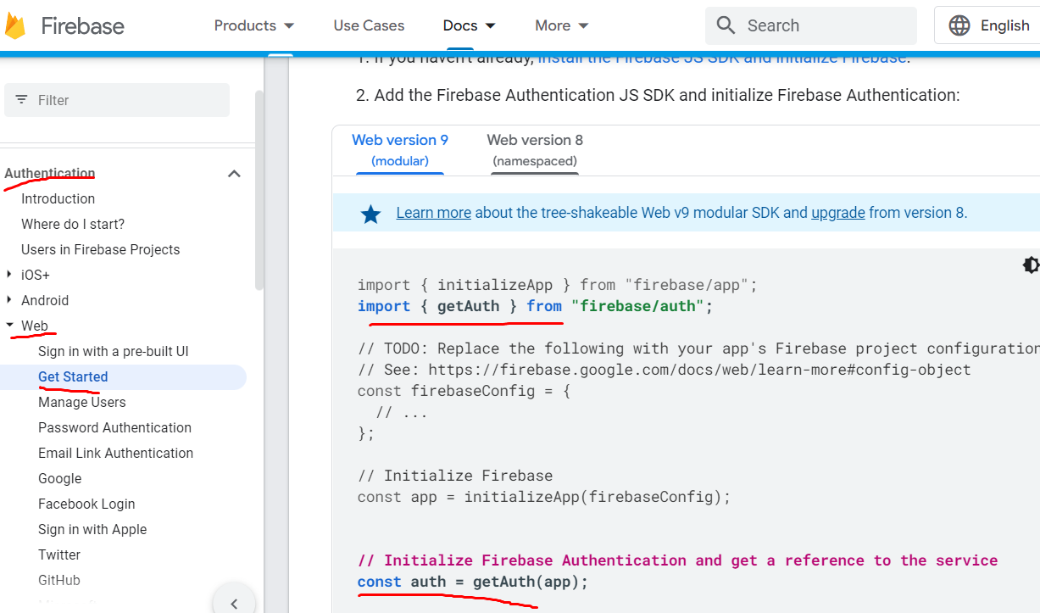
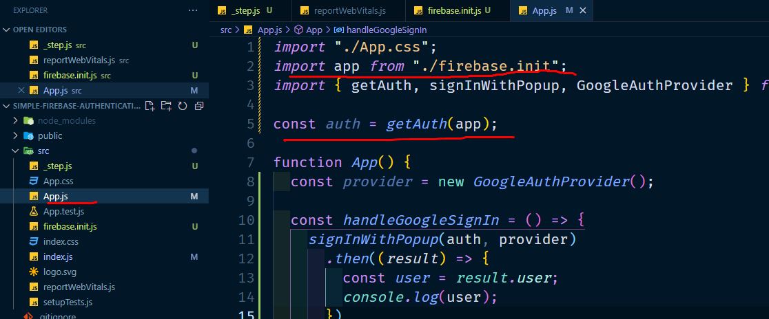
6. import getAuth from firebase/Auth and create const auth = getAuth(app) in app.js

